BUV_MiniSAS_HD_Conn
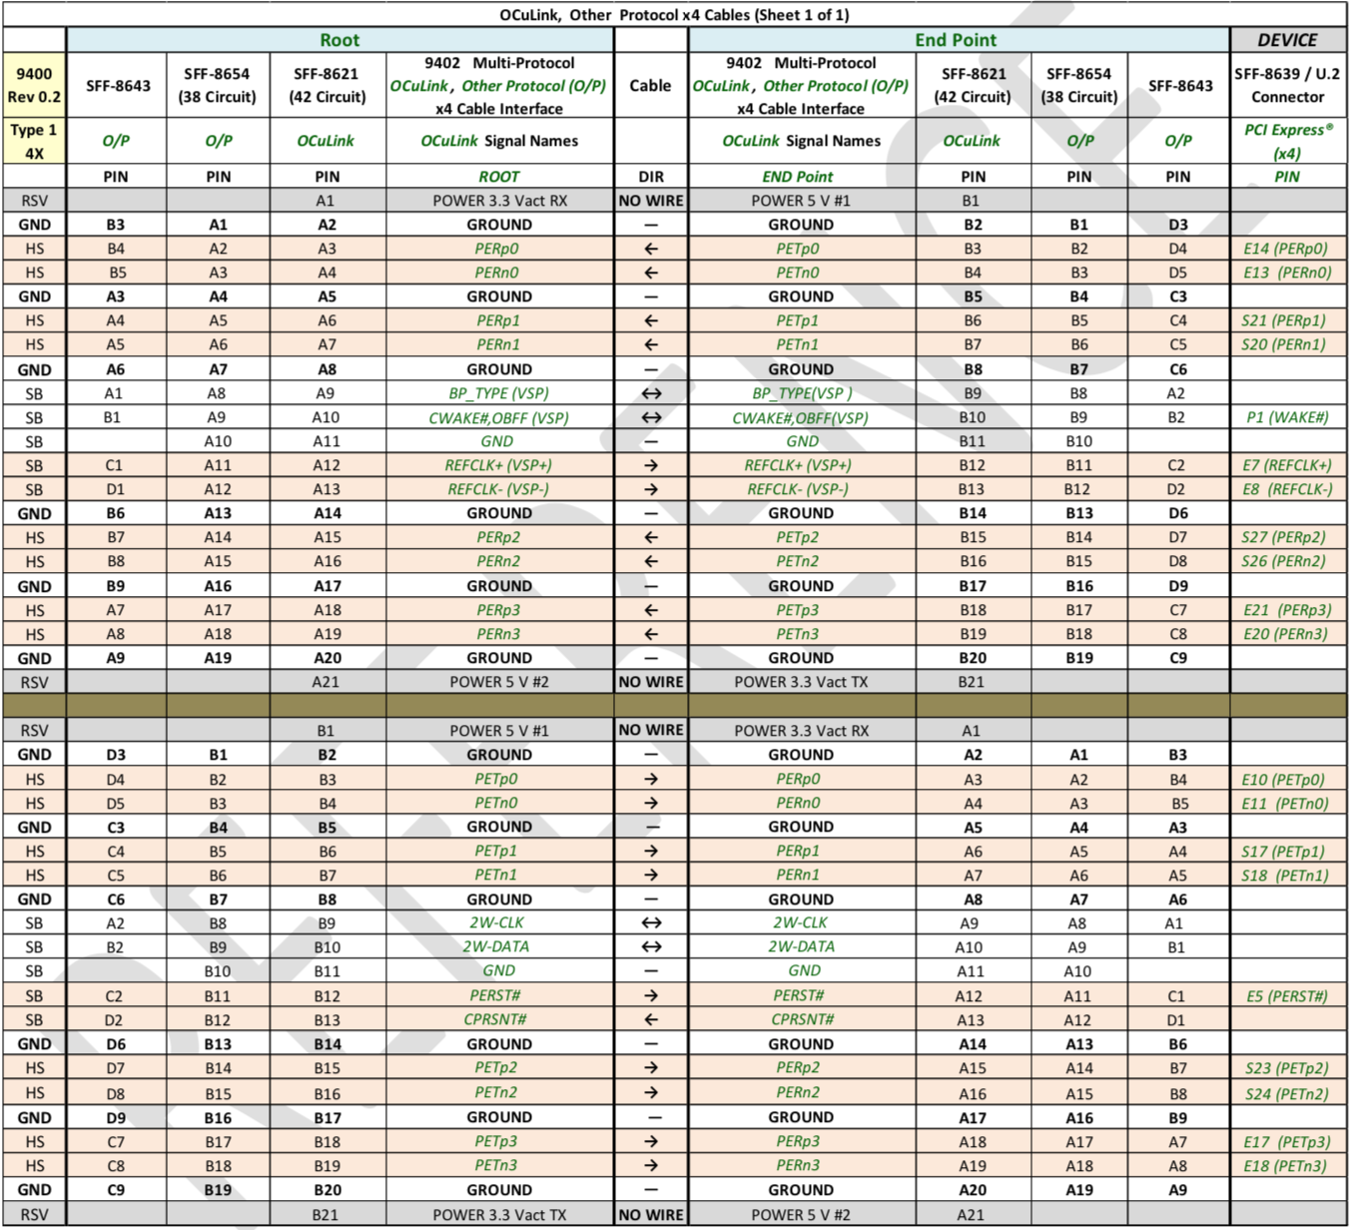
Pin | Signal | Signal on BUV |  | Add link: https://members.snia.org/document/dl/27380&sa=D&source=hangouts&ust=1542432705619000&usg=AFQjCNFGIRf-a7dzi057VbyZEl5fMi4dBg
D9 | GND | Ground Plane |  | See Page 22
D8 | NC | None | This connector on the BUV follows SFF-8643
D7 | NC | None
D6 | GND | Ground Plane
D5 | TX0- | PETXN
D4 | TX0+ | PETXP
D3 | GND | Ground Plane
D2 | SCL | I2C2SCL_GPIO95
D1 | SDA | I2C2SDA_GPIO97
C1 | NC | None
C2 | NC | None
C3 | GND | Ground Plane
C4 | NC | None
C5 | NC | None
C6 | GND | Ground Plane
C7 | NC | None
C8 | NC | None
C9 | GND | Ground Plane
B9 | GND | Ground Plane
B8 | NC | None
B7 | NC | None
B6 | GND | Ground Plane
B5 | RX0- | PERXN
B4 | RX0+ | PERXP
B3 | GND | Ground Plane
B2 | GND | Ground Plane
B1 | PERST# | PERSTN
A1 | REFCLK+ | PEREFCLKP
A2 | REFCLK- | PEREFCLKN
A3 | GND | Ground Plane
A4 | NC | None
A5 | NC | None
A6 | GND | Ground Plane
A7 | NC | None
A8 | NC | None
A9 | GND | Ground Plane

