Pin List
 |  |  |  |  |  |  |  |  |  |  | Stack connector Dimensions |  |  | Per connector |  |  | Per two connector
OCP Compute Accelerator Module Pin list |  |  |  |  |  |  |  |  | Connector family | Part Number | x (mm) | y (mm) | Area (mm2) | Diff Pairs | Single ended | Pin pairs density | Diff Pairs | Single ended
OCP Signal name | Mezz Module Direction POV | OCP Signal Description | Voltage | Common Accelerator Motherboard solution | Total Diff Pair | Total SE pins | Conn0 or 1 | Molex | Mirror Mezz | 209311-1114 | 22 | 64 | 1408 | 161 | 0 | 0.114 | 322 | 0
P48V | Power Input | 44V-59.5V main voltage for high power applications. Up to 700W when Vin=>44V. Module should be able to operate at 40V to 44V but at lower power (motherboard to drive PWRBRK# for Vin <44V) | 40V-59.5V | Required |  | 16 | Conn0
P12V1 | Power Input | 12V mandatory Board Infrastructure Power. Up to 50W | 12V | Required |  | 5 | Conn0
P12V2 | Power Input | 12V main Power for low power applications. Up to 300W. For 12V motherboard/module designs, P12V1 and P12V2 can be shorted together for up to 350W combined power | 12V | Required |  | 27 | Conn0
P3V3 | Power Input | 3.3V Main Power. Up to 5W | 3.3V | Required |  | 2 | Conn0
PVREF | Power Output | Low voltage output for GPU/ASIC sideband I/O reference on motherboard components. Module should provision maximum 0.5A to be provided to motherboard. Vref can be any value between 0.8V to 3.3V set as per GPU/ASIC sideband I/O voltage. | Vref | Required |  | 2 | Conn0
PETp/n [15:0] | Output | PCIe or equivalent host link Transmit differential pairs. Module Transmit, Host Receive. Note: AC coupling caps must be placed on the motherboard side. |  | Required | 16 |  | Conn0
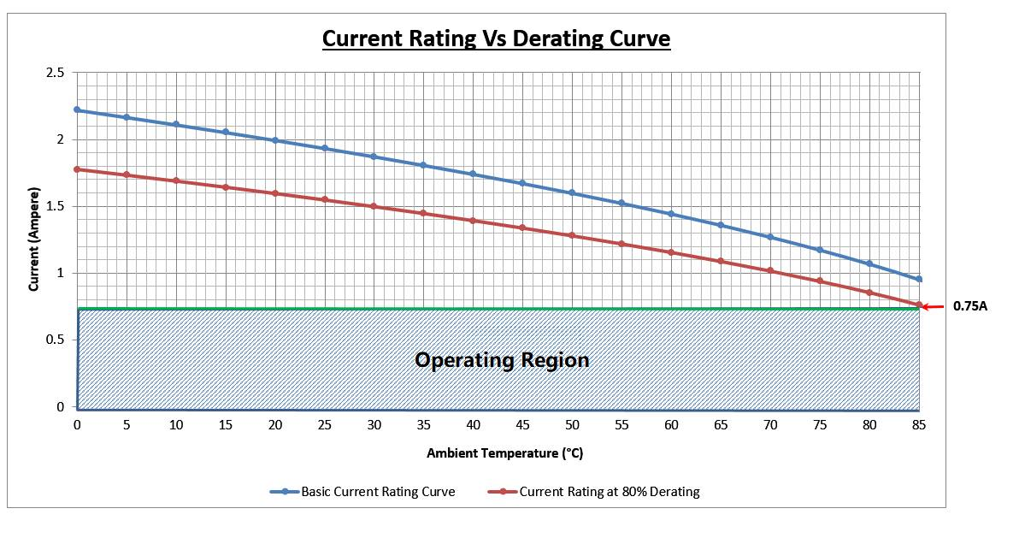
PERp/n [15:0] | Input | PCIe or equivalent host link Receive differential pairs. Module Receive, Host Transmit. Note: AC coupling caps must be placed on the motherboard side. |  | Required | 16 |  | Conn0
SERDES_1Tp/n [15:0] | Output | SerDes link 1 Transmit differential pairs. AC caps must be placed on Module/die (if required) |  | Required | 16 |  | Conn0
SERDES_1Rp/n [15:0] | Input | SerDes link 1 Receive differential pairs. |  | Required | 16 |  | Conn0
SERDES_2Tp/n [15:0] | Output | SerDes link 2 Transmit differential pairs. AC caps must be placed on Module/die (if required) |  | Required | 16 |  | Conn0
SERDES_2Rp/n [15:0] | Input | SerDes link 2 Receive differential pairs. |  | Required | 16 |  | Conn0
SERDES_3Tp/n[15:0] | Output | SerDes link 3 Transmit differential pairs. AC caps must be placed on Module/die (if required) |  | Required | 16 |  | Conn0
SERDES_3Rp/n [15:0] | Input | SerDes link 3 Receive differential pairs. |  | Required | 16 |  | Conn0
SERDES_4Tp/n[15:0] | Output | SerDes link 4Transmit differential pairs. AC caps must be placed on Module/die (if required) |  | Required | 16 |  | Conn1
SERDES_4Rp/n [15:0] | Input | SerDes link 4 Receive differential pairs. |  | Required | 16 |  | Conn1
SERDES_5Tp/n [15:0] | Output | SerDes link 5 Transmit differential pairs. AC caps must be placed on Module/die (if required) |  | Required | 16 |  | Conn1
SERDES_5Rp/n [15:0] | Input | SerDes link 5 Receive differential pairs. |  | Required | 16 |  | Conn1
SERDES_6Tp/n [15:0] | Output | SerDes link 6 Transmit differential pairs. AC caps must be placed on Module/die (if required) |  | Required | 16 |  | Conn1
SERDES_6Rp/n [15:0] | Input | SerDes link 6 Receive differential pairs. |  | Required | 16 |  | Conn1
SERDES_RTp/n [19:0] | Output | SerDes Reserved Link Transmit differential pairs. Interconnect requirements defined by Module and System integrator. AC caps must be placed on the Motherboard (if Required) |  | Optional | 20 |  | Conn1
SERDES_RRp/n [19:0] | Input | SerDes Reserved Link Receive differential pairs. Interconnect requirements defined by Module and System integrator. AC caps must be placed on the Motherboard (if Required) |  | Optional | 20 |  | Conn1
PE_REFCLKp/n | Input | PCIe Reference Clock. 100MHz PCIe Gen 5 compliant. |  | Required | 1 |  | Conn0
AUX_100M_REFCLKp/n | Input | 100MHz PCIe Gen 5 compliant Auxiliary Reference Clock. |  | Required | 1 |  | Conn1
AUX_156M_REFCLKp/n | Input | 156.25MHz TBD compliant Auxiliary Reference Clock |  | Required | 1 |  | Conn1
DWN_REFCLKp/n | Output | Downstream Reference Clock. Vendor specific. |  | Optional | 1 |  | Conn1
PERST# | Input | CEM Compliant PCIe Reset | 3.3V | Required |  | 1 | Conn0
WARMRST# | Input | Warm Reset | Vref | Optional |  | 1 | Conn0
DWN_PERST# | Output | Down device PCIe Reset. Vendor specific. | 3.3V | Optional |  | 1 | Conn1
HOST_PWRGD | Input | Host power good. Active high when P48V, P12V1/P12V2, P3V3 voltages are stable and within specifications. This is considered the “Power Enable” signal for the module. | 3.3V | Required |  | 1 | Conn0
MODULE_PWRGD | Output | Module power good. Active high when the module has completed its own power up sequence and is ready for PERST# de-assertion | 3.3V | Required |  | 1 | Conn0
PWRBRK# | Input | Emergency power reduction. CEM Compliant Power Break | 3.3V | Required |  | 1 | Conn0
THERMTRIP# | Output | Catastrophic thermal event for module components. Active low and latched by the Module logic. Released until motherboard power cycles the module input voltages | 3.3V | Required |  | 1 | Conn1
MODULE_ID[4:0] | Input | Module node identifier (e.g. Module #0, #1,…#n). Tied to GND on baseboard for logic 0, leave open for logic 1 | GND | Required |  | 5 | Conn0
LINK_CONFIG[4:0] | Input | Mezz Module Host Interface/SerDes Link Configuration and topology. See link config table for details | GND | Required |  | 5 | Conn1
PE_BIF[1:0] | Input | x16 Host Interface Bifurcation Configuration. 00 = one x16 PCIe host interface 01 = bifurcation into two x8 PCIe host interfaces 10 = bifurcation into four x4 PCIe host interfaces 11 = reserved" Tied to GND on baseboard for logic 0, leave open for logic 1 | Vref | Required |  | 2 | Conn1
PLINK_CAP | Output | "P" Port Module Capability support: '0' = PCIe only support '1' = Alternate protocol supported The host system requests an alternate host link protocol by pulling up LINK_CONFIG[0] and the Module informs the system of protocol support on the "P" link via this pin. If the module only supports PCIe as host, this signal is grounded on the module. | Vref | Required |  | 1 | Conn1
I2C_SLV_D | Bi-directional | Slave I2C data | 3.3V | Required |  | 1 | Conn0
I2C_SLV_CLK | Input | Slave I2C clock | 3.3V | Required |  | 1 | Conn0
I2C_SLV_ALERT# | Output | Slave I2C alert indication | 3.3V | Required |  | 1 | Conn0
I2C_D | Bi-directional | Master I2C/SMBus data | Vref | Required |  | 1 | Conn0
I2C _CLK | Output | Master I2C/SMBus clock | Vref | Required |  | 1 | Conn0
UART_TXD | Output | Serial Port Transmit | 3.3V | Required |  | 1 | Conn0
UART_RXD | Input | Serial Port Receive | 3.3V | Required |  | 1 | Conn0
JTAG0_TRST | Input | Low Voltage ASIC/GPU JTAG Test Reset | Vref | Required |  | 1 | Conn0
JTAG0_TMS | Input | Low Voltage ASIC/GPU JTAG Test Mode Select | Vref | Required |  | 1 | Conn0
JTAG0_TCK | Input | Low Voltage ASIC/GPU JTAG Test Clock | Vref | Required |  | 1 | Conn0
JTAG0_TDO | Output | Low Voltage ASIC/GPU JTAG Test Output | Vref | Required |  | 1 | Conn0
JTAG0 _TDI | Input | Low Voltage ASIC/GPU JTAG Test Input | Vref | Required |  | 1 | Conn0
JTAG1 _TRST | Input | High Voltage JTAG Test Reset | 3.3V | Optional |  | 1 | Conn1
JTAG1 _TMS | Input | High Voltage JTAG Test Mode Select | 3.3V | Optional |  | 1 | Conn1
Mezzanine
Connector 0
Mezzanine
Connector 1
JTAG1 _TCK | Input | High Voltage JTAG Test Clock | 3.3V | Optional |  | 1 | Conn1
JTAG1 _TDO | Output | High Voltage JTAG Test Output | 3.3V | Optional |  | 1 | Conn1
JTAG1 _TDI | Input | High Voltage JTAG Test Input | 3.3V | Optional |  | 1 | Conn1
CONN1_INITMODE | Output | QSFP-DD Connector 1 Module Initialization mode | Vref | Optional |  | 1 | Conn1
CONN1_INT# | Input | QSFP-DD Connector 1 Module Interrupt | Vref | Optional |  | 1 | Conn1
CONN1_MODPRS# | Input | QSFP-DD Connector 1 Module Present | Vref | Optional |  | 1 | Conn1
CONN1_MODSEL# | Output | QSFP-DD Connector 1 Module Select | Vref | Optional |  | 1 | Conn1
CONN1_RESET# | Output | QSFP-DD Connector 1 Module Reset | Vref | Optional |  | 1 | Conn1
CONN1_GREEN_LED | Output | QSFP-DD Connector 1 GREEN STATUS LED | Vref | Optional |  | 1 | Conn1
CONN1_YELLOW_LED | Output | QSFP-DD Connector 1 YELLOW STATUS LED | Vref | Optional |  | 1 | Conn1
CONN2_INITMODE | Output | QSFP-DD Connector 2 Module Initialization mode | Vref | Optional |  | 1 | Conn1
CONN2_INT# | Input | QSFP-DD Connector 2 Module Interrupt | Vref | Optional |  | 1 | Conn1
CONN2_MODPRS# | Input | QSFP-DD Connector 2 Module Present | Vref | Optional |  | 1 | Conn1
CONN2_MODSEL# | Output | QSFP-DD Connector 2 Module Select | Vref | Optional |  | 1 | Conn1
CONN2_RESET# | Output | QSFP-DD Connector 2 Module Reset | Vref | Optional |  | 1 | Conn1
CONN2_GREEN_LED | Output | QSFP-DD Connector 2 GREEN STATUS LED | Vref | Optional |  | 1 | Conn1
CONN2_YELLOW_LED | Output | QSFP-DD Connector 2 YELLOW STATUS LED | Vref | Optional |  | 1 | Conn1
PRSNT0# | Output | Module present pin connector 0. Tied to GND on module side | GND | Required |  | 1 | Conn0
PRSNT1# | Output | Module present pin connector 1. Tied to GND on module side | GND | Required |  | 1 | Conn1
SCALE_DEBUG_EN | Output | At-a-scale debug enable on the module. Isolates any motherboard JTAG debug path when logic High | 3.3V | Required |  | 1 | Conn1
DEBUG_PORT_PRSNT# | Input | Presence signal for debug port in motherboard. Notifies logic in the module the debug access is being used by the motherboard debug connector. Debug port on motherboard present when logic low | GND | Required |  | 1 | Conn1
MNGMT_LINK0Tp/n | Output | Vendor specific module to module management link port 0 transmit |  | Required | 1 |  | Conn1
MNGMT_LINK0Rp/n | Input | Vendor specific module to module management link port 0 receive |  | Required | 1 |  | Conn1
PCIe Host Interface
MNGMT_LINK1Tp/n | Output | Vendor specific module to module management link port 1 transmit |  | Required | 1 |  | Conn1
MNGMT_LINK1Rp/n | Input | Vendor specific module to module management link port 1 receive |  | Required | 1 |  | Conn1
TEST0 | Input |  | Vref | Optional |  | 1 | Conn0
TEST[4:1] | Input |  | Vref | Optional |  | 4 | Conn0
TEST5 | Input |  | Vref | Optional |  | 1 | Conn0
TEST6 | Input |  | Vref | Optional |  | 1 | Conn0
TEST7 | Output |  | Vref | Optional |  | 1 | Conn0
TEST8 | Input |  | Vref | Optional |  | 1 | Conn0
TEST9 | Input |  | Vref | Optional |  | 1 | Conn0
TEST10 | Input |  | Vref | Optional |  | 1 | Conn1
TEST11 | Output |  | Vref | Optional |  | 1 | Conn1
TEST12 | Input |  | Vref | Optional |  | 1 | Conn1
TEST13 | Input |  | Vref | Optional |  | 1 | Conn1
TEST14 | Input |  | Vref | Optional |  | 1 | Conn1
MANF_MODE# | Input | Manufacturing Mode 1: Normal operation 0: Module enter into manufacturing mode | 3.3V | Optional |  | 1 | Conn0
FW_RECOVERY# | Input | On board manageability boot recovery mode 1: Normal operation 0: Firmware Recovery boot mode | 3.3V | Required |  | 1 | Conn0
TEST_MODE# | Input | Compliance Test Mode 1: Normal operation 0: ASIC/GPU enter into electrical compliance mode | Vref | Required |  | 1 | Conn0
RFU |  | Reserved for future use |  |  |  | 4 | Conn0
RFU |  | Reserved for future use |  |  |  | 23 | Conn1
Sub Total |  |  |  |  | 272 | 81

Total pin locations |  |  |  |  | 625
Total in diff pairs |  |  |  |  | 312.5

