Initial cases (170426)
Case # |  | Input parameters |  |  |  |  |  |  |  | Output parameters
 | I/O | ASIC 1 Power (W) | ASIC 1 Location | Connector Height (mm) | PCB Board Size | DRAM Location | Cut-out | Heat Sink + BGA Max Height | Airflow Direction or I/O Location | ASIC Tcase_max (°C) |  |  |  |  |  |  | DRAM Tcase_max (°C) |  |  |  |  |  |  | I/O Module Tcase_max (°C)
 |  |  |  |  |  |  |  |  |  | 105°C |  |  |  |  |  |  | 95°C |  |  |  |  |  |  | 85°C
 |  |  |  |  |  |  |  |  |  | 150 | 200 | 250 | 300 | 400 | 500 | 750 | 150 | 200 | 250 | 300 | 400 | 500 | 750 | 150 | 200 | 250 | 300 | 400 | 500 | 750 | LFM
A1 | 2x QSFP-Bottom | 15 | Bottom | 8 | 7a | N/A | IO Ports Only | 7 | Cold-aisle
A2 | 2x QSFP-Bottom | 20 | Bottom | 8 | 7a | N/A | IO Ports Only | 7 | Cold-aisle
A3 | 2x QSFP-Bottom | 25 | Bottom | 8 | 7a | Bottom | IO Ports Only | 7 | Cold-aisle
A4 | 2x QSFP-Bottom | 30 | Bottom | 8 | 7a | Bottom | IO Ports Only | 7 | Cold-aisle
A5 | 2x QSFP-Bottom | 35 | Bottom | 8 | 7a | Bottom | IO Ports Only | 7 | Cold-aisle
A6 | 2x QSFP-Bottom | 15 | Bottom | 8 | 7a | N/A | IO Ports + Heat Sink | 12 | Hot-aisle
A7 | 2x QSFP-Bottom | 20 | Bottom | 8 | 7a | N/A | IO Ports + Heat Sink | 12 | Hot-aisle
A8 | 2x QSFP-Bottom | 25 | Bottom | 8 | 7a | Bottom | IO Ports + Heat Sink | 12 | Hot-aisle
A9 | 2x QSFP-Bottom | 30 | Bottom | 8 | 7a | Bottom | IO Ports + Heat Sink | 12 | Hot-aisle
A10 | 2x QSFP-Bottom | 35 | Bottom | 8 | 7a | Bottom | IO Ports + Heat Sink | 12 | Hot-aisle
D1 | 2x QSFP-Bottom | 20 | Bottom | 12 | 7d | N/A | IO Ports + Heat Sink | 16 | Cold-aisle
D2 | 2x QSFP-Bottom | 25 | Bottom | 12 | 7d | Bottom | IO Ports + Heat Sink | 16 | Cold-aisle
D3 | 2x QSFP-Bottom | 30 | Bottom | 12 | 7d | Bottom | IO Ports + Heat Sink | 16 | Cold-aisle
D4 | 2x QSFP-Bottom | 35 | Bottom | 12 | 7d | Bottom | IO Ports + Heat Sink | 16 | Cold-aisle
D5 | 2x QSFP-Bottom | 20 | Bottom | 12 | 7d | N/A | IO Ports + Heat Sink | 16 | Hot-aisle
D6 | 2x QSFP-Bottom | 25 | Bottom | 12 | 7d | Bottom | IO Ports + Heat Sink | 16 | Hot-aisle
D7 | 2x QSFP-Bottom | 30 | Bottom | 12 | 7d | Bottom | IO Ports + Heat Sink | 16 | Hot-aisle
D8 | 2x QSFP-Bottom | 35 | Bottom | 12 | 7d | Bottom | IO Ports + Heat Sink | 16 | Hot-aisle
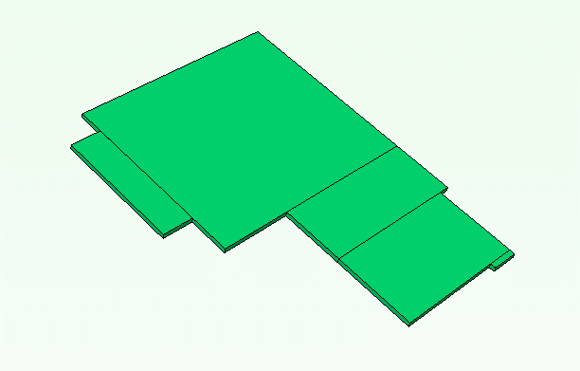
Original Mezz 2.0
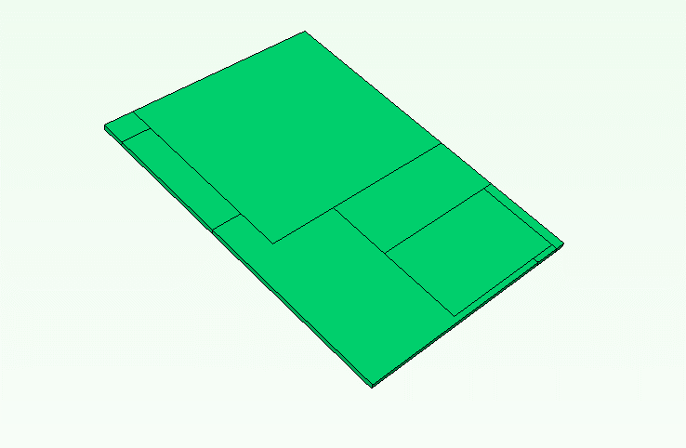
7a: small form factor
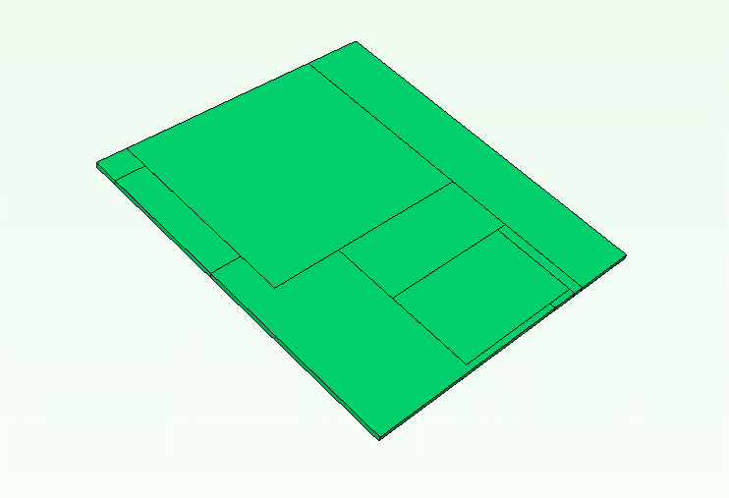
7b: increase width

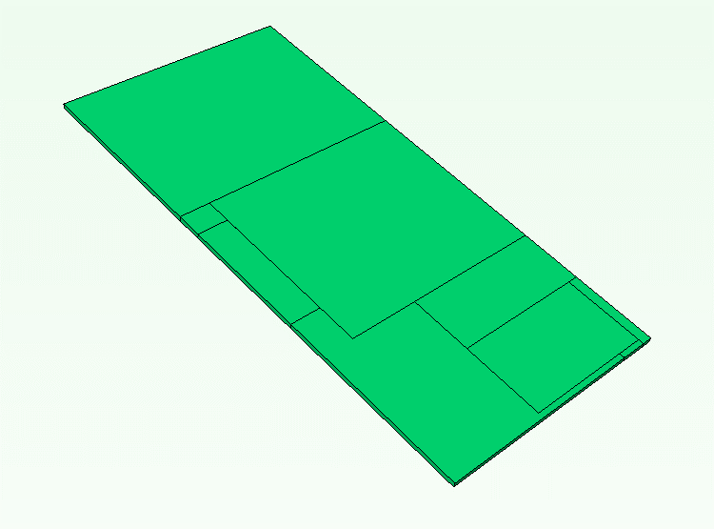
7c: increase depth
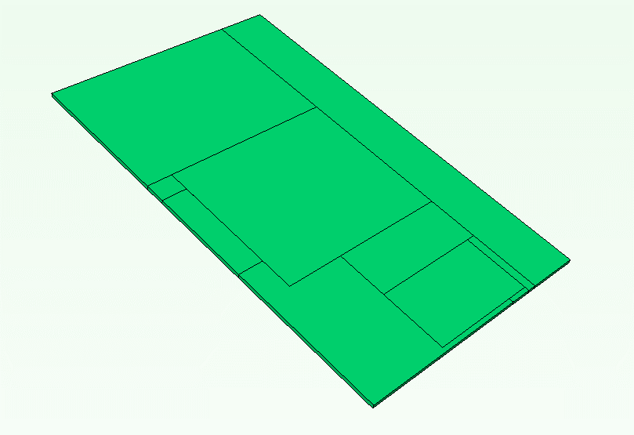
7d: large form factor

