Connector Example

OCP NIC 3.0 Connector Example

 | Right Angle Footprint Example | Right Angle Connector Example |  | Straddle Mount Footprint and Connector Example

 | Upper Row on Left (B row) |  | Top side is B row | Top side is B row | Top side is B row
 | Lower Row on Right (A Row) |  | Bottom Side is A Row | Bottom Side is A Row | Bottom Side is A Row

Footprint View
B1
B140
OCP
B1
OCP
B14
A1
A140
OCP
A1
OCP
A14
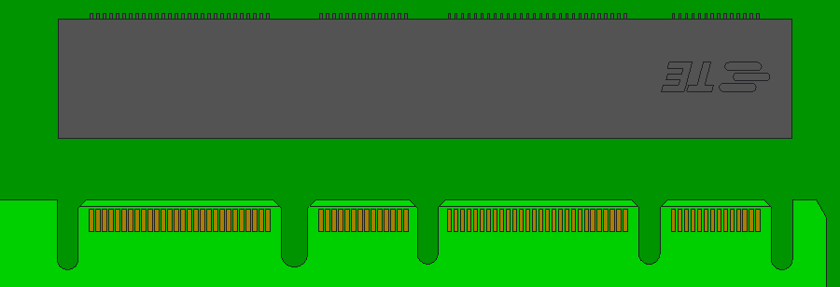
B1
B140
OCP
B1
OCP
B14
Top View

