Normal Operation
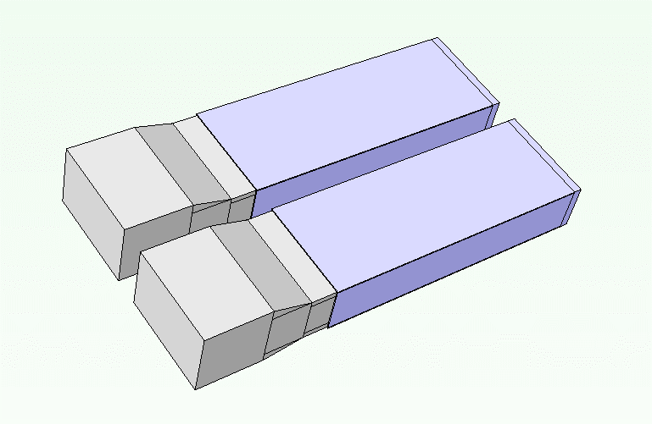
 | Case # |  | Input parameters |  |  |  |  |  |  |  | Output parameters
170629 Updated Mezz 3.0 Case A1 WO HS.pdml |  | I/O | ASIC 1 Power (W) | ASIC 1 Location | Connector Height (mm) | PCB Board Size | DRAM Location | Cut-out | Heat Sink + BGA Max Height | Airflow Direction or I/O Location | ASIC Tcase_max (°C) |  |  |  |  |  |  | DRAM Tcase_max (°C) |  |  |  |  |  |  | I/O Module Tcase_max (°C)
 |  |  |  |  |  |  |  |  |  |  | 105°C |  |  |  |  |  |  | 95°C |  |  |  |  |  |  | 70°C
 |  |  |  |  |  |  |  |  |  |  | 150 | 200 | 250 | 300 | 400 | 500 | 750 | 150 | 200 | 250 | 300 | 400 | 500 | 750 | 150 | 200 | 250 | 300 | 400 | 500 | 750 | LFM
 | Smallest Form Factor (7a) - Cold Aisle
 | A1 - no HS | 2x QSFP-Bottom | 15 | Bottom | 8 | 7a | N/A | IO Ports Only | 7 | Cold-aisle | 84.1 | 77.0 | 72.5 | 69.3 | 64.9 | 62.0 |  |  |  |  |  |  |  |  | 73.2 | 69.4 | 66.8 | 64.9 | 62.3 | 60.5
 | A2 - no HS | 2x QSFP-Bottom | 20 | Bottom | 8 | 7a | N/A | IO Ports Only | 7 | Cold-aisle | 98.1 | 89.2 | 83.4 | 79.4 | 73.8 | 70.1 |  |  |  |  |  |  |  |  | 73.8 | 69.8 | 67.1 | 65.1 | 62.4 | 60.6
 | A3 - no HS | 2x QSFP-Bottom | 25 | Bottom | 8 | 7a | N/A | IO Ports Only | 7 | Cold-aisle | 112.2 | 101.5 | 94.4 | 89.5 | 82.8 | 78.3 |  |  |  |  |  |  |  |  | 74.4 | 70.2 | 67.4 | 65.4 | 62.6 | 60.7
 | A4 - no HS | 2x QSFP-Bottom | 30 | Bottom | 8 | 7a | N/A | IO Ports Only | 7 | Cold-aisle | 126.3 | 113.7 | 105.4 | 99.6 | 91.8 | 86.5 |  |  |  |  |  |  |  |  | 75.0 | 70.6 | 67.7 | 65.6 | 62.7 | 60.8
 | A5 - no HS | 2x QSFP-Bottom | 35 | Bottom | 8 | 7a | N/A | IO Ports Only | 7 | Cold-aisle | 140.4 | 125.9 | 116.4 | 109.7 | 100.7 | 94.6 |  |  |  |  |  |  |  |  | 75.6 | 71.0 | 68.0 | 65.8 | 62.9 | 61.0
 | A1 - with HS | 2x QSFP-Bottom | 15 | Bottom | 8 | 7a | N/A | IO Ports Only | 7 | Cold-aisle | 87.6 | 80.2 | 75.4 | 71.9 | 67.1 | 63.8 |  |  |  |  |  |  |  |  | 69.2 | 64.6 | 61.5 | 59.4 | 56.4 | 54.5
 | A2 - with HS | 2x QSFP-Bottom | 20 | Bottom | 8 | 7a | N/A | IO Ports Only | 7 | Cold-aisle | 102.6 | 93.2 | 87.1 | 82.6 | 76.5 | 72.4 |  |  |  |  |  |  |  |  | 69.8 | 65.0 | 61.8 | 59.6 | 56.6 | 54.6
170630 Case A1 with MLX HS.pdml | A3 - with HS | 2x QSFP-Bottom | 25 | Bottom | 8 | 7a | N/A | IO Ports Only | 7 | Cold-aisle | 117.6 | 106.2 | 98.7 | 93.4 | 86.0 | 81.0 |  |  |  |  |  |  |  |  | 70.4 | 65.4 | 62.1 | 59.8 | 56.7 | 54.7
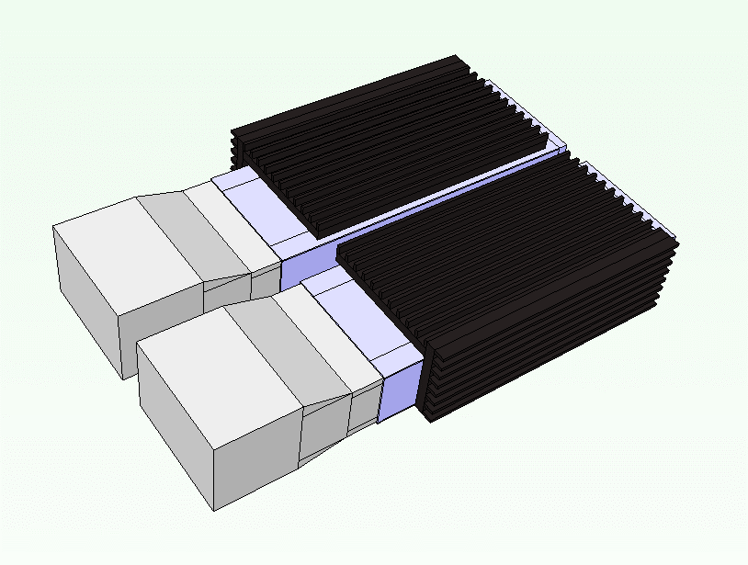
 | A4 - with HS | 2x QSFP-Bottom | 30 | Bottom | 8 | 7a | N/A | IO Ports Only | 7 | Cold-aisle | 132.5 | 119.2 | 110.4 | 104.1 | 95.5 | 89.6 |  |  |  |  |  |  |  |  | 71.0 | 65.8 | 62.4 | 60.0 | 56.9 | 54.8
 | A5 - with HS | 2x QSFP-Bottom | 35 | Bottom | 8 | 7a | N/A | IO Ports Only | 7 | Cold-aisle | 147.5 | 132.2 | 122.1 | 114.9 | 105.0 | 98.1 |  |  |  |  |  |  |  |  | 71.7 | 66.2 | 62.7 | 60.2 | 57.0 | 54.9 |  |  | 38~39% bypass
 | Smallest Form Factor (7a) - Hot Aisle
 | A6 - no HS | 2x QSFP-Bottom | 15 | Bottom | 8 | 7a | N/A | IO Ports + Heat Sink | 12 | Hot-aisle | 85.9 | 81.3 | 78.5 | 76.6 | 74.0 | 72.4 | 70.0 |  |  |  |  |  |  |  | 106.2 | 99.8 | 95.4 | 92.3 | 88.0 | 85.2 | 81.0
 | A7 - no HS | 2x QSFP-Bottom | 20 | Bottom | 8 | 7a | N/A | IO Ports + Heat Sink | 12 | Hot-aisle | 95.9 | 89.9 | 86.2 | 83.7 | 80.3 | 78.2 | 75.0 |  |  |  |  |  |  |  | 111.5 | 104.0 | 98.9 | 95.3 | 90.4 | 87.2 | 82.4
 | A8 - no HS | 2x QSFP-Bottom | 25 | Bottom | 8 | 7a | N/A | IO Ports + Heat Sink | 12 | Hot-aisle | 106.0 | 98.5 | 93.9 | 90.8 | 86.6 | 84.0 | 79.9 |  |  |  |  |  |  |  | 116.7 | 108.2 | 102.4 | 98.3 | 92.8 | 89.2 | 83.9
 | A9 - no HS | 2x QSFP-Bottom | 30 | Bottom | 8 | 7a | N/A | IO Ports + Heat Sink | 12 | Hot-aisle | 116.1 | 107.1 | 101.6 | 97.8 | 92.9 | 89.7 | 84.9 |  |  |  |  |  |  |  | 122.0 | 112.4 | 106.0 | 101.3 | 95.2 | 91.1 | 85.3
 | A10 - no HS | 2x QSFP-Bottom | 35 | Bottom | 8 | 7a | N/A | IO Ports + Heat Sink | 12 | Hot-aisle | 126.1 | 115.7 | 109.3 | 104.9 | 99.2 | 95.5 | 89.8 |  |  |  |  |  |  |  | 127.2 | 116.6 | 109.5 | 104.4 | 97.5 | 93.1 | 86.7 |  | 35~36% bypass
 | A6 - with HS | 2x QSFP-Bottom | 15 | Bottom | 8 | 7a | N/A | IO Ports + Heat Sink | 12 | Hot-aisle | 87.2 | 82.4 | 79.4 | 77.4 | 74.7 | 73.0 | 70.3 |  |  |  |  |  |  |  | 103.7 | 96.4 | 91.7 | 88.1 | 83.3 | 80.3 | 76.0
 | A7 - with HS | 2x QSFP-Bottom | 20 | Bottom | 8 | 7a | N/A | IO Ports + Heat Sink | 12 | Hot-aisle | 97.8 | 91.4 | 87.5 | 84.8 | 81.3 | 78.9 | 75.4 |  |  |  |  |  |  |  | 109.2 | 100.8 | 95.3 | 91.3 | 85.9 | 82.4 | 77.5
 | A8 - with HS | 2x QSFP-Bottom | 25 | Bottom | 8 | 7a | N/A | IO Ports + Heat Sink | 12 | Hot-aisle | 108.3 | 100.4 | 95.6 | 92.2 | 87.8 | 84.9 | 80.5 |  |  |  |  |  |  |  | 114.7 | 105.2 | 99.0 | 94.6 | 88.4 | 84.5 | 79.0
 | A9 - with HS | 2x QSFP-Bottom | 30 | Bottom | 8 | 7a | N/A | IO Ports + Heat Sink | 12 | Hot-aisle | 118.8 | 109.4 | 103.6 | 99.6 | 94.3 | 90.9 | 85.6 |  |  |  |  |  |  |  | 120.2 | 109.7 | 102.7 | 97.8 | 91.0 | 86.6 | 80.6
 | A10 - with HS | 2x QSFP-Bottom | 35 | Bottom | 8 | 7a | N/A | IO Ports + Heat Sink | 12 | Hot-aisle | 129.3 | 118.5 | 111.7 | 107.0 | 100.8 | 96.8 | 90.7 |  |  |  |  |  |  |  | 125.8 | 114.1 | 106.4 | 101.0 | 93.5 | 88.8 | 82.1
 | Biggest Form Factor (7d) - Cold Aisle
 | D1 | 2x QSFP-Bottom | 20 | Bottom | 12 | 7d | N/A | IO Ports + Heat Sink | 16 | Cold-aisle | 64.5 | 60.3 | 57.6 | 55.8 | 53.3 | 51.7 |  |  |  |  |  |  |  |  | 74.1 | 70.5 | 68.1 | 66.2 | 63.5 | 61.6
 | D2 | 2x QSFP-Bottom | 25 | Bottom | 12 | 7d | Bottom | IO Ports + Heat Sink | 16 | Cold-aisle | 70.9 | 65.8 | 62.6 | 60.4 | 57.4 | 55.4 |  | 77.1 | 71.2 | 67.4 | 64.7 | 61.0 | 58.6 |  | 74.8 | 71.0 | 68.4 | 66.5 | 63.7 | 61.7
 | D3 | 2x QSFP-Bottom | 30 | Bottom | 12 | 7d | Bottom | IO Ports + Heat Sink | 16 | Cold-aisle | 77.2 | 71.2 | 67.5 | 64.9 | 61.4 | 59.1 |  | 79.9 | 73.4 | 69.3 | 66.3 | 62.3 | 59.7 |  | 75.3 | 71.4 | 68.7 | 66.7 | 63.9 | 61.8
 | D4 | 2x QSFP-Bottom | 35 | Bottom | 12 | 7d | Bottom | IO Ports + Heat Sink | 16 | Cold-aisle | 83.4 | 76.6 | 72.3 | 69.4 | 65.4 | 62.8 |  | 82.6 | 75.6 | 71.1 | 67.9 | 63.6 | 60.8 |  | 75.8 | 71.8 | 69.0 | 67.0 | 64.0 | 62.0
 | Biggest Form Factor (7d) - Hot Aisle
 | D5 | 2x QSFP-Bottom | 20 | Bottom | 12 | 7d | N/A | IO Ports + Heat Sink | 16 | Hot-aisle | 79.6 | 76.2 | 74.0 | 72.6 | 70.6 | 69.3 | 67.4 |  |  |  |  |  |  |  | 105.2 | 99.5 | 95.6 | 92.8 | 88.7 | 85.9 | 81.5
 | D6 | 2x QSFP-Bottom | 25 | Bottom | 12 | 7d | Bottom | IO Ports + Heat Sink | 16 | Hot-aisle | 87.1 | 82.5 | 79.7 | 77.7 | 75.1 | 73.4 | 70.8 | 80.0 | 77.5 | 75.7 | 74.4 | 72.6 | 71.3 | 69.43 | 110.9 | 104.0 | 99.4 | 96.0 | 91.2 | 87.9 | 83.0
 | D7 | 2x QSFP-Bottom | 30 | Bottom | 12 | 7d | Bottom | IO Ports + Heat Sink | 16 | Hot-aisle | 93.1 | 87.7 | 84.3 | 82.0 | 78.9 | 76.9 | 73.9 | 80.5 | 77.8 | 76.0 | 74.6 | 72.7 | 71.4 | 69.49 | 114.2 | 106.6 | 101.6 | 97.9 | 92.7 | 89.3 | 84.0
 | D8 | 2x QSFP-Bottom | 35 | Bottom | 12 | 7d | Bottom | IO Ports + Heat Sink | 16 | Hot-aisle | 99.1 | 92.9 | 89.0 | 86.4 | 82.8 | 80.5 | 77.0 | 80.9 | 78.1 | 76.2 | 74.8 | 72.8 | 71.5 | 69.56 | 117.5 | 109.3 | 103.8 | 99.8 | 94.3 | 90.6 | 85.0
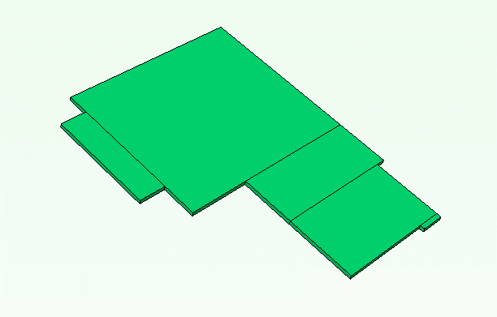
Original Mezz 2.0
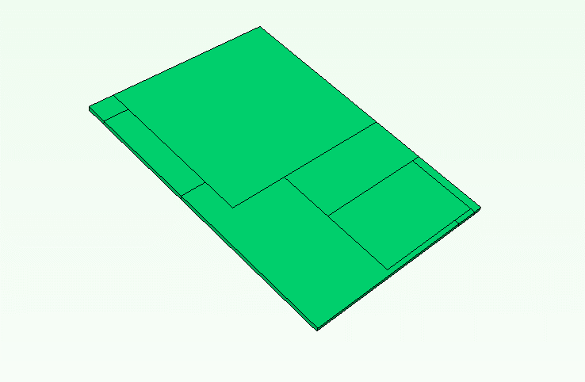
7a: small form factor
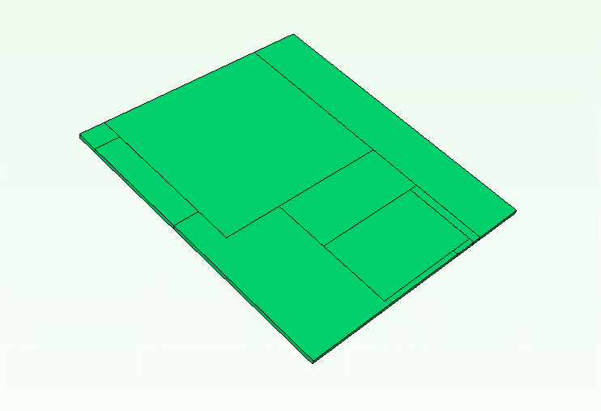
7b: increase width

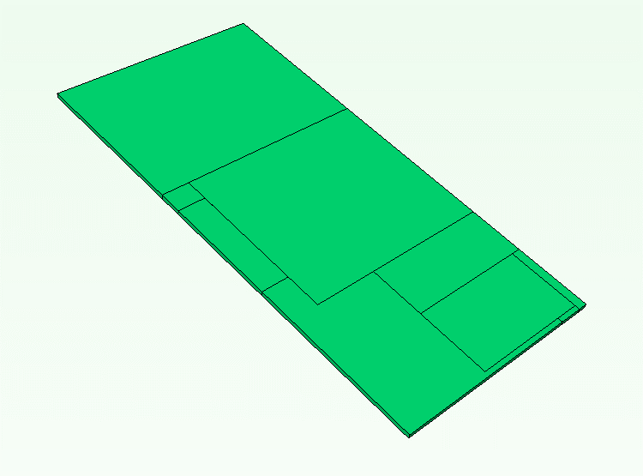
7c: increase depth
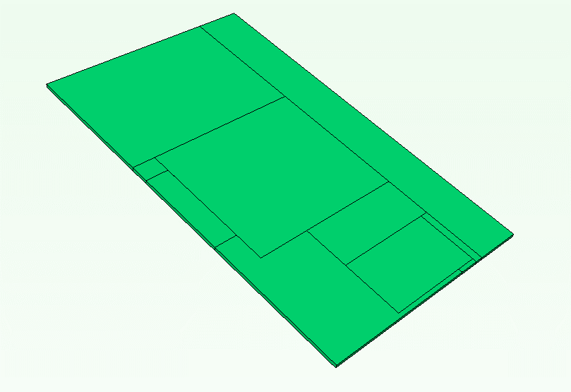
7d: large form factor

Stand-by Condition
Case # |  | Input parameters |  |  |  |  |  |  |  | Output parameters
 | I/O | ASIC 1 Power (W) | ASIC 1 Location | Connector Height (mm) | PCB Board Size | DRAM Location | Cut-out | Heat Sink + BGA Max Height | Airflow Direction or I/O Location | ASIC Tcase_max (°C) |  |  |  | DRAM Tcase_max (°C) |  |  |  | I/O Module Tcase_max (°C)
 |  |  |  |  |  |  |  |  |  | 105°C |  |  |  | 95°C |  |  |  | 70°C
 |  |  |  |  |  |  |  |  |  | 100 | 150 | 200 | 250 | 100 | 150 | 200 | 250 | 100 | 150 | 200 | 250 | LFM
Smallest Form Factor (7a) - Cold Aisle
A1 - no HS | 2x QSFP-Bottom | 5 | Bottom | 8 | 7a | N/A | IO Ports Only | 7 | Cold-aisle 35°C | 62.2 | 55.9 | 52.6 | 50.5 |  |  |  |  | 77.7 | 72.0 | 68.5 | 66.2
A2 - no HS | 2x QSFP-Bottom | 7 | Bottom | 8 | 7a | N/A | IO Ports Only | 7 | Cold-aisle 35°C | 69.1 | 61.6 | 57.5 | 54.9 |  |  |  |  | 78.1 | 72.2 | 68.7 | 66.3
A3 - no HS | 2x QSFP-Bottom | 10 | Bottom | 8 | 7a | N/A | IO Ports Only | 7 | Cold-aisle 35°C | 79.6 | 70.0 | 64.8 | 61.5 |  |  |  |  | 78.8 | 72.6 | 68.9 | 66.5
A4 - no HS | 2x QSFP-Bottom | 15 | Bottom | 8 | 7a | N/A | IO Ports Only | 7 | Cold-aisle 35°C | 97.1 | 84.1 | 77.0 | 72.5 |  |  |  |  | 79.8 | 73.2 | 69.4 | 66.8
A5 - no HS | 2x QSFP-Bottom | 17 | Bottom | 8 | 7a | N/A | IO Ports Only | 7 | Cold-aisle 35°C | 104.1 | 89.7 | 81.9 | 76.9 |  |  |  |  | 80.2 | 73.4 | 69.5 | 66.9
A1 - with HS | 2x QSFP-Bottom | 5 | Bottom | 8 | 7a | N/A | IO Ports Only | 7 | Cold-aisle 35°C | 64.1 | 57.7 | 54.2 | 52.0 |  |  |  |  | 74.6 | 67.9 | 63.8 | 61.0
A2 - with HS | 2x QSFP-Bottom | 7 | Bottom | 8 | 7a | N/A | IO Ports Only | 7 | Cold-aisle 35°C | 71.5 | 63.7 | 59.4 | 56.7 |  |  |  |  | 75.1 | 68.2 | 63.9 | 61.1
A3 - with HS | 2x QSFP-Bottom | 10 | Bottom | 8 | 7a | N/A | IO Ports Only | 7 | Cold-aisle 35°C | 82.6 | 72.7 | 67.2 | 63.7 |  |  |  |  | 75.8 | 68.6 | 64.2 | 61.3
A4 - with HS | 2x QSFP-Bottom | 15 | Bottom | 8 | 7a | N/A | IO Ports Only | 7 | Cold-aisle 35°C | 101.1 | 87.6 | 80.2 | 75.4 |  |  |  |  | 77.0 | 69.2 | 64.6 | 61.5
A5 - with HS | 2x QSFP-Bottom | 17 | Bottom | 8 | 7a | N/A | IO Ports Only | 7 | Cold-aisle 35°C | 108.4 | 93.6 | 85.4 | 80.0 |  |  |  |  | 77.4 | 69.4 | 64.8 | 61.7
Smallest Form Factor (7a) - Hot Aisle
A6 - no HS | 2x QSFP-Bottom | 5 | Bottom | 8 | 7a | N/A | IO Ports + Heat Sink | 12 | Hot-aisle 35°C | 49.1 | 45.7 | 44.1 | 43.0 |  |  |  |  | 83.1 | 75.8 | 71.5 | 68.5
A7 - no HS | 2x QSFP-Bottom | 7 | Bottom | 8 | 7a | N/A | IO Ports + Heat Sink | 12 | Hot-aisle 35°C | 54.2 | 49.8 | 47.5 | 46.1 |  |  |  |  | 85.6 | 77.6 | 72.9 | 69.7
A8 - no HS | 2x QSFP-Bottom | 10 | Bottom | 8 | 7a | N/A | IO Ports + Heat Sink | 12 | Hot-aisle 35°C | 62.0 | 55.8 | 52.7 | 50.8 |  |  |  |  | 89.5 | 80.3 | 75.0 | 71.5
A9 - no HS | 2x QSFP-Bottom | 15 | Bottom | 8 | 7a | N/A | IO Ports + Heat Sink | 12 | Hot-aisle 35°C | 74.8 | 65.9 | 61.3 | 58.5 |  |  |  |  | 96.0 | 84.9 | 78.6 | 74.4
A10 - no HS | 2x QSFP-Bottom | 17 | Bottom | 8 | 7a | N/A | IO Ports + Heat Sink | 12 | Hot-aisle 35°C | 80.0 | 69.9 | 64.7 | 61.6 |  |  |  |  | 98.6 | 86.7 | 80.0 | 75.6
A11 - no HS | 2x QSFP-Bottom - Only 1 Active | 17 | Bottom | 8 | 7a | N/A | IO Ports + Heat Sink | 12 | Hot-aisle 35°C | 79.4 | 69.6 | 64.5 | 61.4 |  |  |  |  | 94.3 | 83.8 | 77.8 | 73.9
A6 - with HS | 2x QSFP-Bottom | 5 | Bottom | 8 | 7a | N/A | IO Ports + Heat Sink | 12 | Hot-aisle 35°C | 49.6 | 46.2 | 44.4 | 43.3 |  |  |  |  | 80.7 | 72.7 | 67.6 | 64.2
A7 - with HS | 2x QSFP-Bottom | 7 | Bottom | 8 | 7a | N/A | IO Ports + Heat Sink | 12 | Hot-aisle 35°C | 55.0 | 50.4 | 48.0 | 46.6 |  |  |  |  | 83.8 | 74.8 | 69.3 | 65.7
A8 - with HS | 2x QSFP-Bottom | 10 | Bottom | 8 | 7a | N/A | IO Ports + Heat Sink | 12 | Hot-aisle 35°C | 63.1 | 56.7 | 53.4 | 51.4 |  |  |  |  | 88.2 | 78.1 | 72.0 | 67.9
A9 - with HS | 2x QSFP-Bottom | 15 | Bottom | 8 | 7a | N/A | IO Ports + Heat Sink | 12 | Hot-aisle 35°C | 76.5 | 67.2 | 62.4 | 59.5 |  |  |  |  | 95.7 | 83.6 | 76.4 | 71.6
A10 - with HS | 2x QSFP-Bottom | 17 | Bottom | 8 | 7a | N/A | IO Ports + Heat Sink | 12 | Hot-aisle 35°C | 81.9 | 71.4 | 66.0 | 62.7 |  |  |  |  | 98.7 | 85.8 | 78.1 | 73.1
Biggest Form Factor (7d) - Cold Aisle
D1 | 2x QSFP-Bottom | 10 | Bottom | 12 | 7d | N/A | IO Ports + Heat Sink | 16 | Cold-aisle 35°C | 57.1 | 52.1 | 49.5 | 47.9 |  |  |  |  | 78.5 | 73.1 | 69.8 | 67.5
D2 | 2x QSFP-Bottom | 12 | Bottom | 12 | 7d | Bottom | IO Ports + Heat Sink | 16 | Cold-aisle 35°C | 60.6 | 54.8 | 51.8 | 49.9 | 77.9 | 69.9 | 65.5 | 62.6 | 79.1 | 73.5 | 70.1 | 67.7
D3 | 2x QSFP-Bottom | 15 | Bottom | 12 | 7d | Bottom | IO Ports + Heat Sink | 16 | Cold-aisle 35°C | 65.3 | 58.5 | 55.0 | 52.9 | 80.3 | 71.5 | 66.8 | 63.7 | 79.7 | 73.8 | 70.3 | 67.9
D4 | 2x QSFP-Bottom | 17 | Bottom | 12 | 7d | Bottom | IO Ports + Heat Sink | 16 | Cold-aisle 35°C | 68.4 | 61.0 | 57.2 | 54.8 | 81.8 | 72.6 | 67.7 | 64.4 | 80.0 | 74.0 | 70.5 | 68.0
Biggest Form Factor (7d) - Hot Aisle
D5 | 2x QSFP-Bottom | 10 | Bottom | 12 | 7d | N/A | IO Ports + Heat Sink | 16 | Hot-aisle 35°C | 51.2 | 47.6 | 45.8 | 44.7 |  |  |  |  | 86.1 | 78.6 | 74.2 | 71.2
D6 | 2x QSFP-Bottom | 12 | Bottom | 12 | 7d | Bottom | IO Ports + Heat Sink | 16 | Hot-aisle 35°C | 56.36 | 51.45 | 48.98 | 47.47 | 62.54 | 58.82 | 56.64 | 55.1 | 91.5 | 82.36 | 77.1 | 73.53
D7 | 2x QSFP-Bottom | 15 | Bottom | 12 | 7d | Bottom | IO Ports + Heat Sink | 16 | Hot-aisle 35°C | 60.91 | 55.05 | 52.1 | 50.28 | 63.01 | 59.09 | 56.83 | 55.25 | 94.24 | 84.34 | 78.69 | 74.87
D8 | 2x QSFP-Bottom | 17 | Bottom | 12 | 7d | Bottom | IO Ports + Heat Sink | 16 | Hot-aisle 35°C | 63.94 | 57.45 | 54.17 | 52.16 | 63.33 | 59.27 | 56.95 | 55.34 | 96.06 | 85.65 | 79.75 | 75.77
D9 | 2x QSFP-Bottom - Only 1 Active | 17 | Bottom | 12 | 7d | Bottom | IO Ports + Heat Sink | 16 | Hot-aisle 35°C | 63.45 | 57.17 | 53.99 | 52.02 | 62.89 | 59.03 | 56.78 | 55.22 | 91.75 | 82.58 | 77.33 | 73.77
Original Mezz 2.0
7a: small form factor
7b: increase width

7c: increase depth
7d: large form factor

